Sheet1
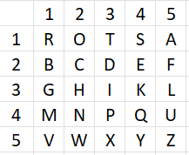

Bifid Cipher with Keyword
Suppose we want to encrypt the message "BATTLE" and keyword is "ROTORS".
We prepare 5x5 grid as shown where unique alphabets from keyword are written in the sequence in which they appear followed by remaining alphabets of English Language (J will not be present as J is interchanged with I)
Now, message is written at top and row and column positions are written in next 2 rows
BATTLE
211132
153354
Now, concat row 2 and 3.
211132153354
Extract first 2 letters, then next 2 letters and so on
21 11 32 15 33 54
Now, if it is ij, it means lookup intersection of row i and column j.
Hence, we retrieve following alphabets which the encrypted text.
BRHAIY
Plain Text | Keywords | Answer Expected
battle | rose | bthatt
armament | apple | eiinpint
casualty | impact | ispfyusa
annihilation | wisdom | cnfgndmigvvu
mobilization | freedom | mbkwseoiqwqz
armageddon | energy | aieboruosn
conflagration | justice | tohletreyewne
armistice | harmony | hrsffisxl
antidisestablishmentarianism | vision | amaiobfspodivonwplliwhnzoawf

